Map
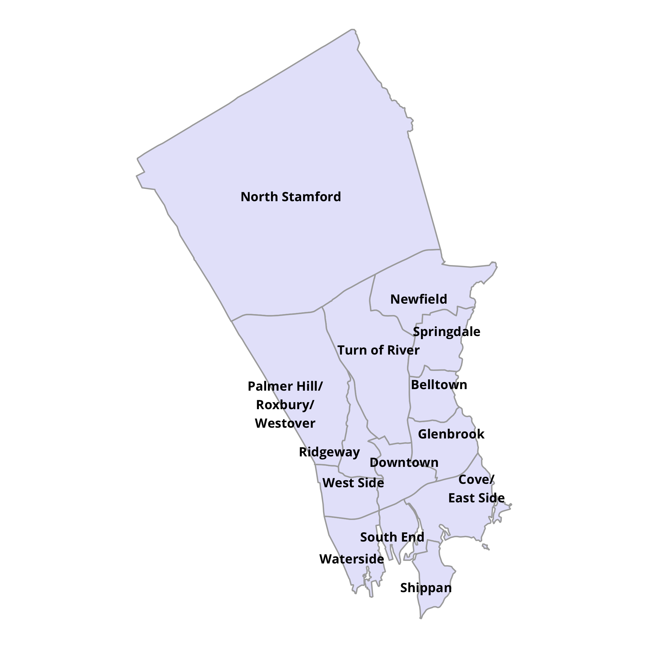
DataHaven 2016 Stamford Neighborhood Estimates
Please cite: DataHaven. (2018). DataHaven 2016 Stamford Neighborhood Estimates, based on 2016 5Y American Community Survey and official City of Stamford boundaries. New Haven, CT: DataHaven
Neighborhood-level data from the American Community Survey are subject to high margins of error. Compare and use with caution.

Neighborhoods in Stamford, Connecticut
All indicators derived from the 2016 5Y American Community Survey

